Inner Join
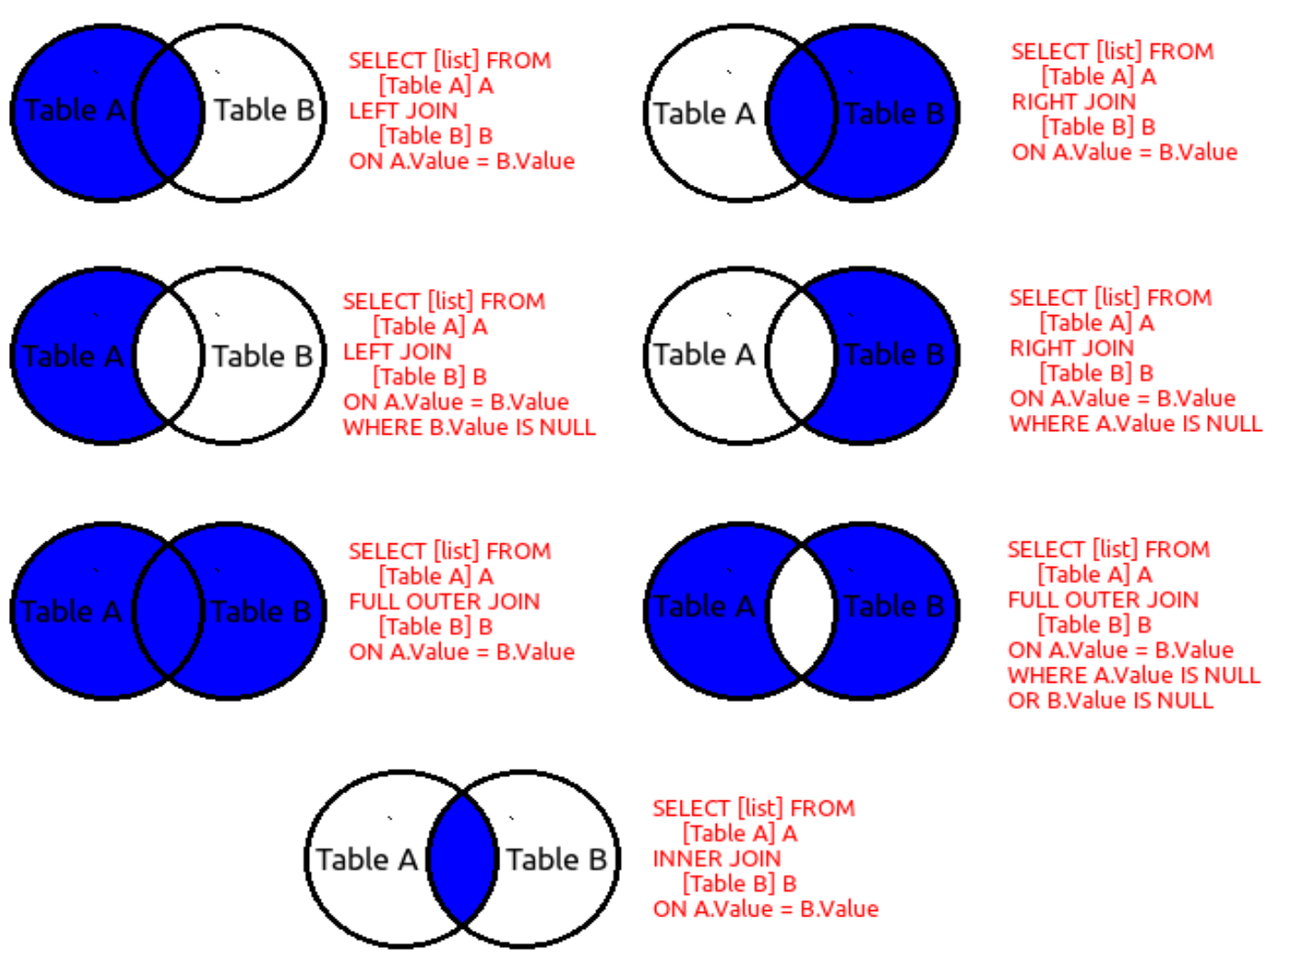
Table-A |  | "a" |  | Table-B |  | "b"
ID | Name |  |  | Sno | Age
1 | Parmeet |  |  | 1 | 21
2 | Sanjeev |  |  | 2 | 22
3 | Abhishek |  |  | 4 | 24
4 | Chanda |  |  | 7 | 23
5 | Shikha |  |  | 6 | 25
6 | Trishaan |  |  | 8 | 26

Inner Join | It will join all the records from primary table where matching secondaries are found

Query | select a.ID,a.Name, b.Sno, b.Age from Table-A as a inner join Table-B as b on a.ID = b.Sno;

ID | Name | Sno | Age
1 | Parmeet | 1 | 21
2 | Sanjeev | 2 | 22
4 | Chanda | 4 | 24
6 | Trishaan | 6 | 25

